Figure_2.2
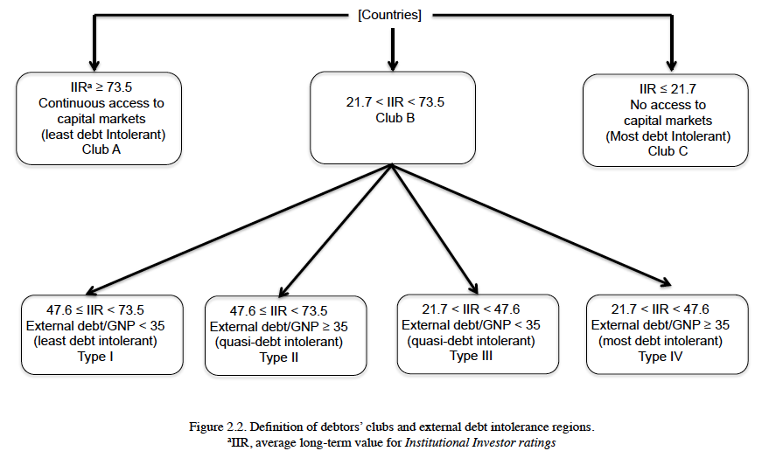
Figure 2.2 Definition of debtors' clubs and external debt intolerance regions

